Dashboard website
Sl no | product/platform | issue | workaround | solution | images | Name
1 | 369links/Bharatcpbx | SIP phone is not getting the incoming call | 369links/ bharatcpbx website | Check for registration
 |  |  |  | Check device assigned to user or not
 |  |  |  | check if it is disabled in find me follow me option

2 | 369links/ Bharatcpbx | Two Devices ( SIP phone and GS wave lite ) | 369links/ bharatcpbx website | create two device for the same user
3 | Bharatcpbx/ 369Links | While creating devices. throws the same error as in image | 369links/ bharatcpbx website | Search the same device already created and present in devices section. and assign to the particular user
4 | Bharatcpbx/ 369Links | Not getting dashboard | Bharatcpbx /369 links website. | Use Smart pbx as default app | 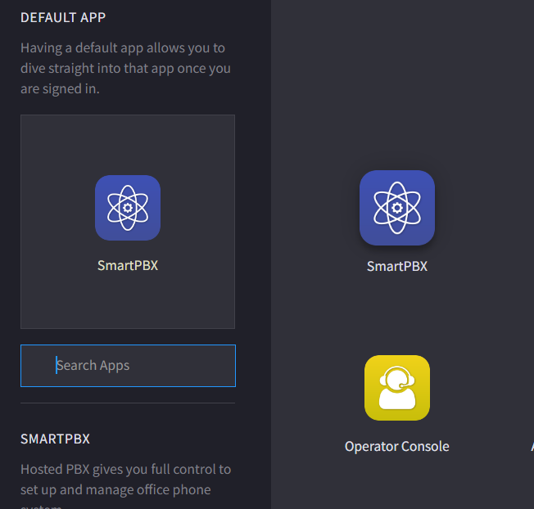
5 | Bharatcpbx/ 369Links | No outgoing calls other than admin | Bharatcpbx /369 links website. | enable user portal and access for all users | 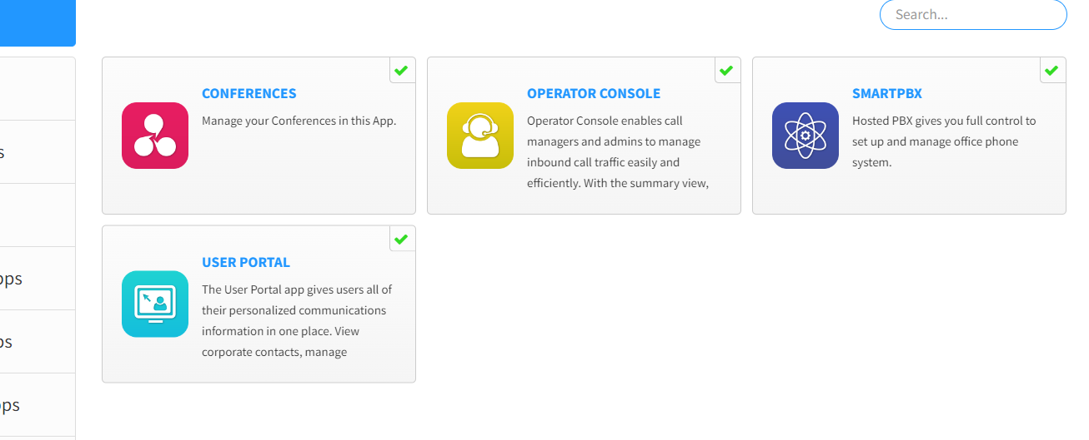
6 | Bharatcpbx/ 369Links | Outgoing from assigned did is not working | Bharatcpbx /369 links website. | Enable caller Id for the particular user in user features
7 | Bharatcpbx/ 369Links | when two main office numbers are present need to make outgoing from particular number | Bharatcpbx /369 links website. | Select the caller id. of the number you need to make outgoing calls on outgoing

